positivcases
 | Value | all: | perspective=0.1 (minimum)
low | 1 |  | no right angles
high | 5

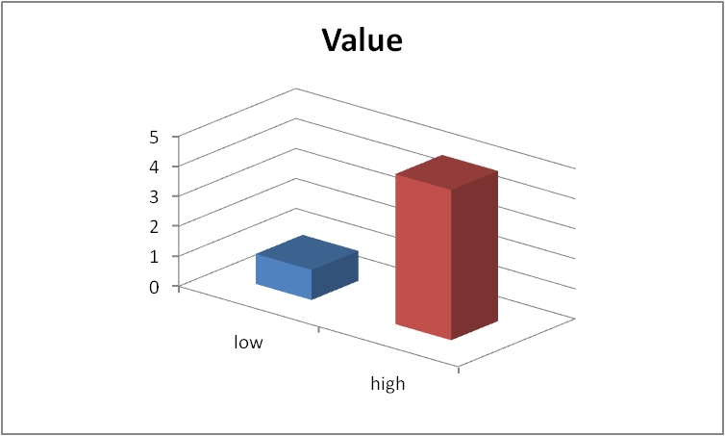
rotation (x)= | 40°
elevation (y)= | 20°

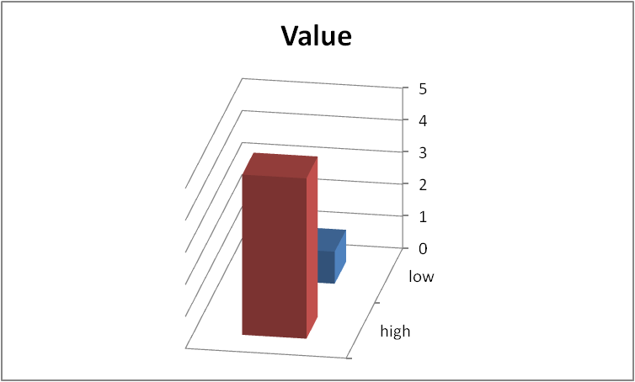
rotation (x)= | 100°
elevation (y)= | 20°

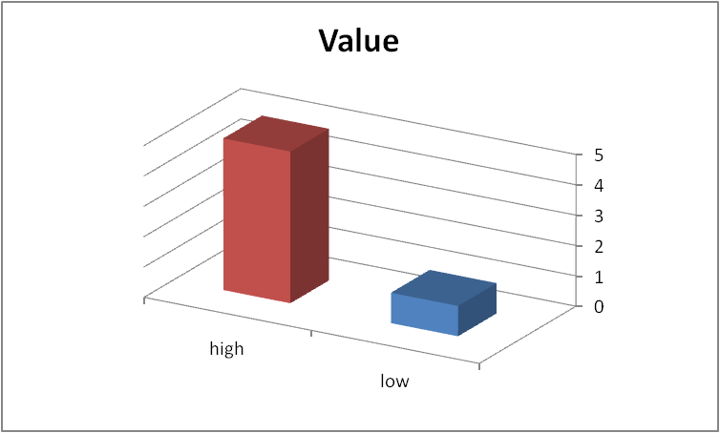
rotation (x)= | 210°
elevation (y)= | 20°

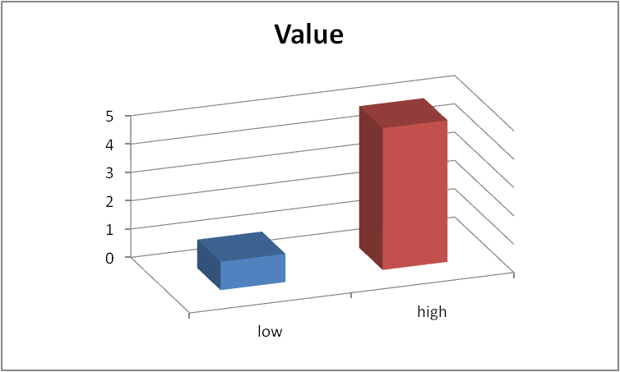
rotation (x)= | 340°
elevation (y)= | 20°

negativcases
 | Value | all: | perspective=0.1 (minimum)
low | 1 |  | no right angles
high | 5

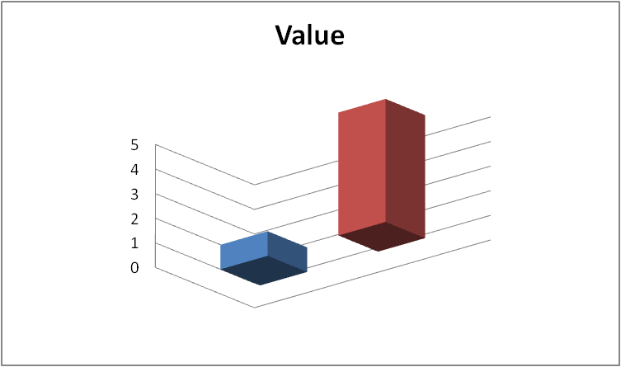
rotation (x)= | 40°
elevation (y)= | -20°

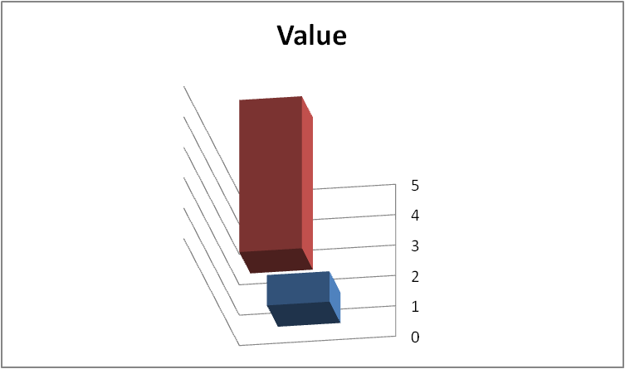
rotation (x)= | 100°
elevation (y)= | -20°

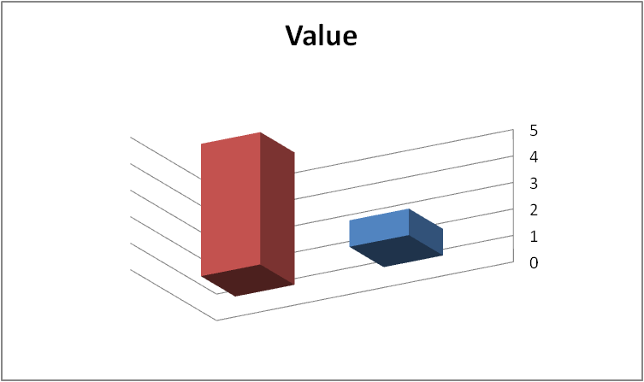
rotation (x)= | 210°
elevation (y)= | -20°

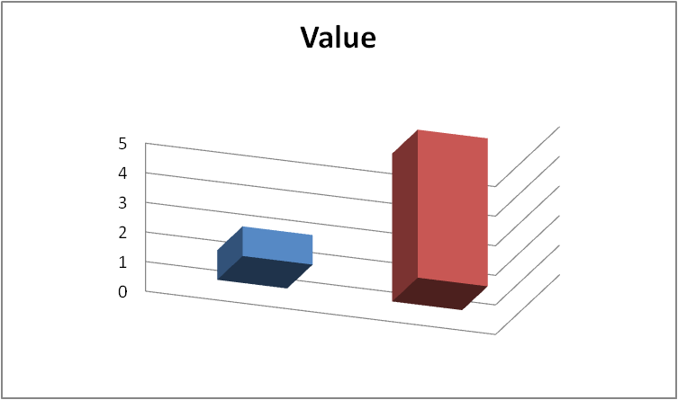
rotation (x)= | 340°
elevation (y)= | -20°

rotationfitaxes_pos
 | Value | all: | perspective=0.1 (minimum)
low | 1 |  | no right angles
high | 5

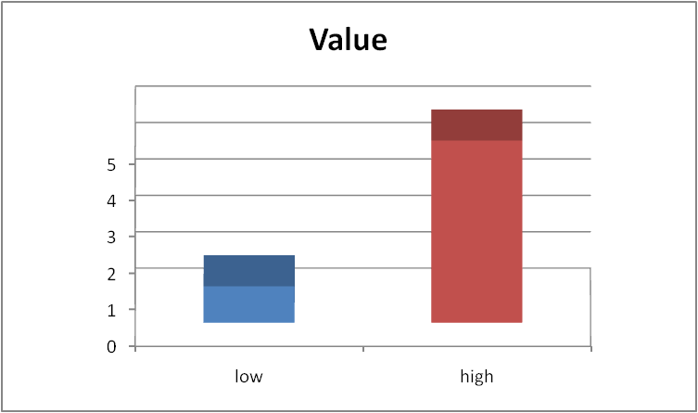
rotation (x)= | 0°
elevation (y)= | 20°

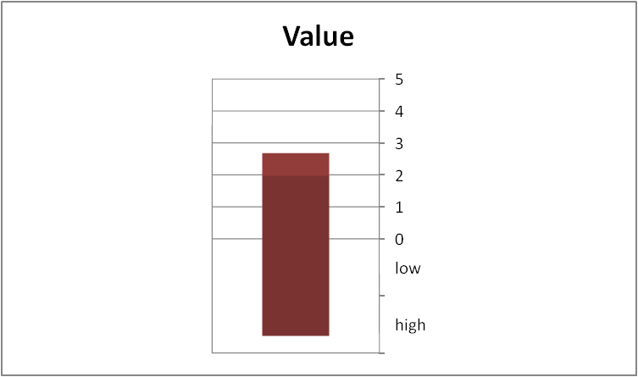
rotation (x)= | 90°
elevation (y)= | 20°

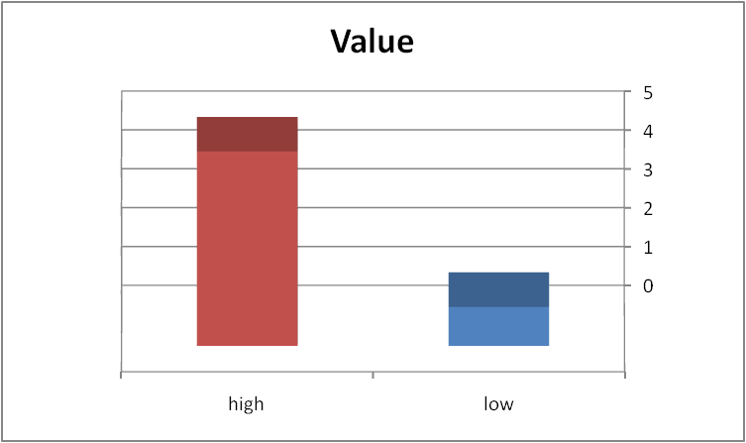
rotation (x)= | 180°
elevation (y)= | 20°

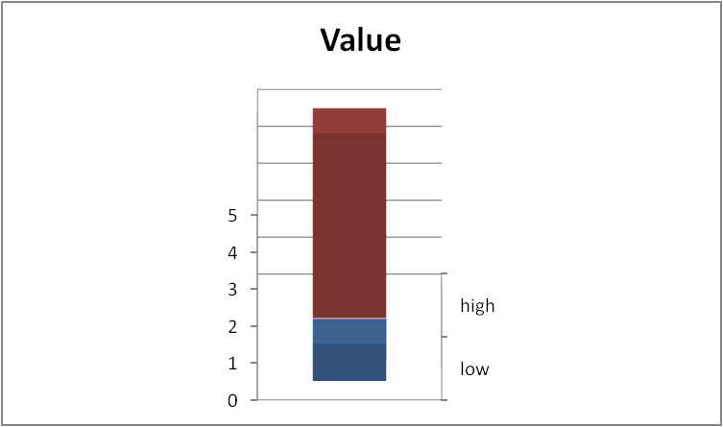
rotation (x)= | 270°
elevation (y)= | 20°

rotationfitaxes_neg
 | Value | all: | perspective=0.1 (minimum)
low | 1 |  | no right angles
high | 5

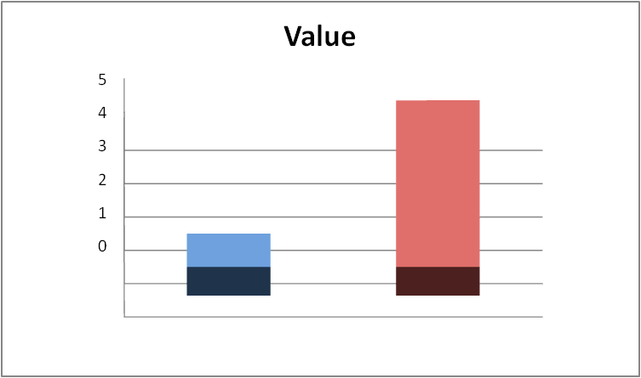
rotation (x)= | 0°
elevation (y)= | -20°

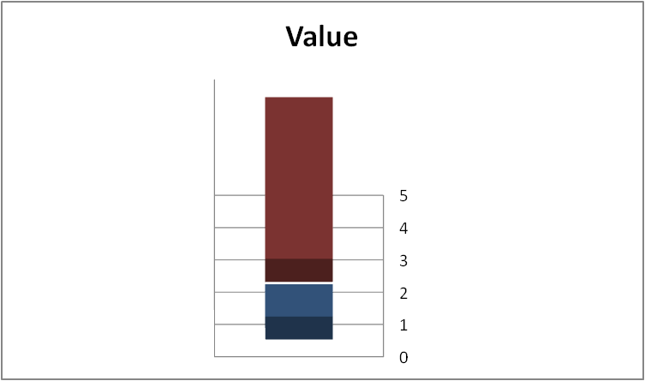
rotation (x)= | 90°
elevation (y)= | -20°


rotation (x)= | 180°
elevation (y)= | -20°

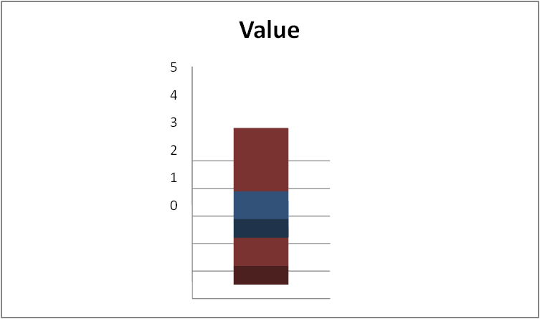
rotation (x)= | 270°
elevation (y)= | -20°

90deg_cases
 | Value | all: | perspective=0.1 (minimum)
low | 1 |  | no right angles
high | 5

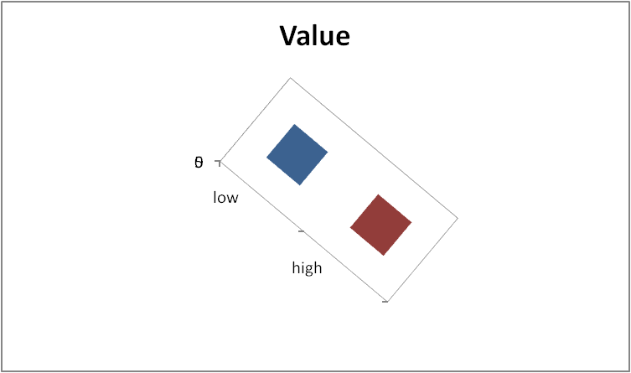
rotation (x)= | 40°
elevation (y)= | 90°

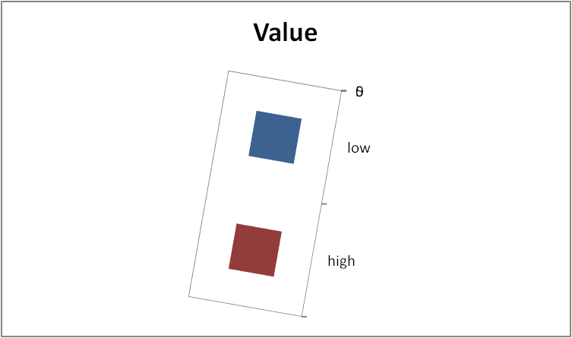
rotation (x)= | 100°
elevation (y)= | 90°

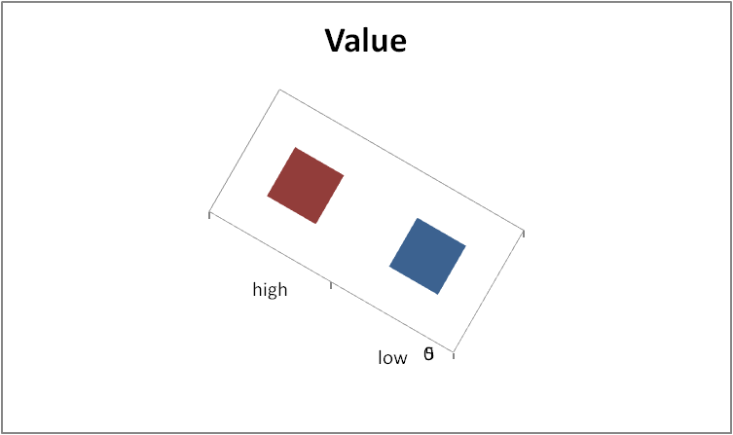
rotation (x)= | 210°
elevation (y)= | 90°

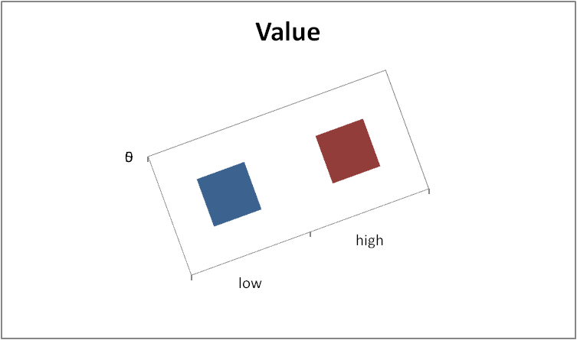
rotation (x)= | 340°
elevation (y)= | 90°

minus90deg_cases
 | Value | all: | perspective=0.1 (minimum)
low | 1 |  | no right angles
high | 5

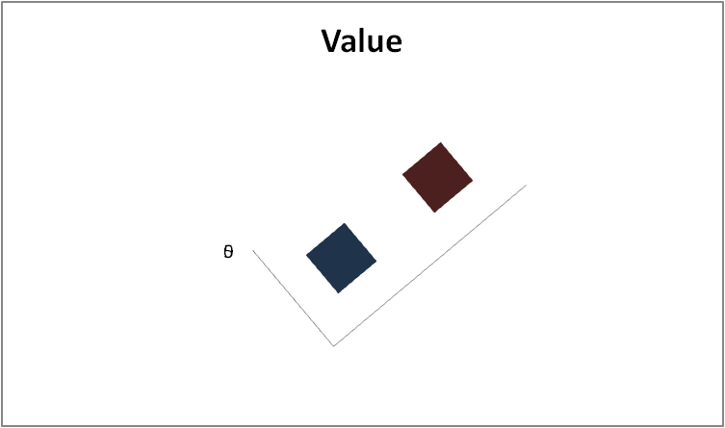
rotation (x)= | 40°
elevation (y)= | -90°

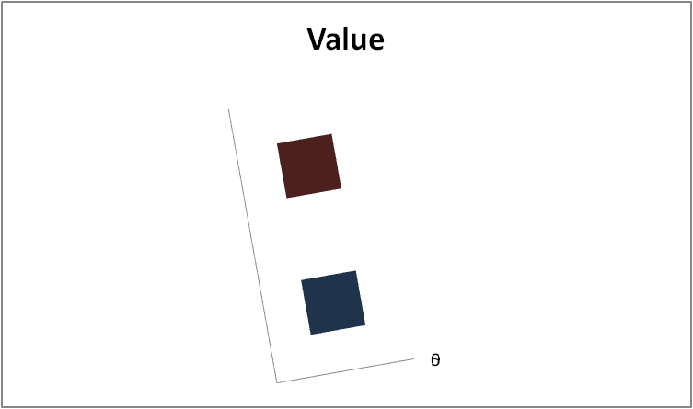
rotation (x)= | 100°
elevation (y)= | -90°

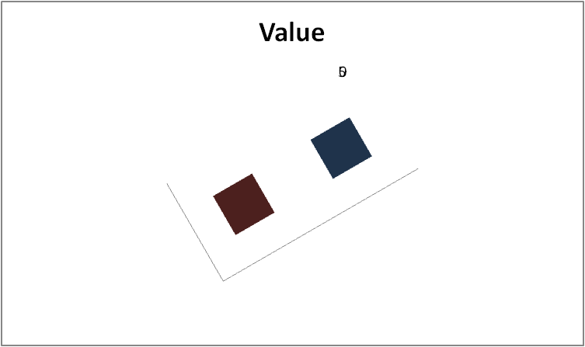
rotation (x)= | 210°
elevation (y)= | -90°

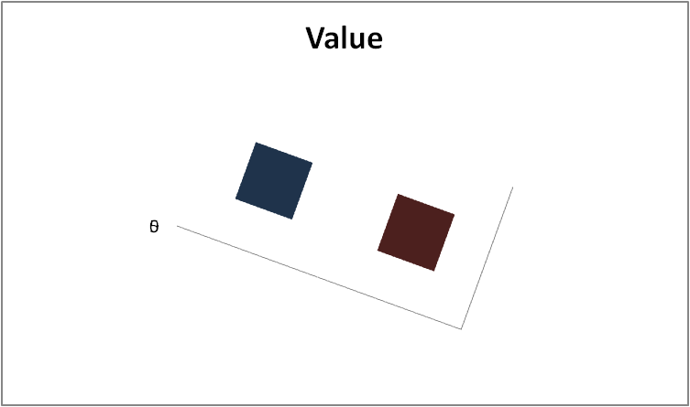
rotation (x)= | 340°
elevation (y)= | -90°

some_on_axis
 | Value | all: | perspective=0.1 (minimum)
low | 1 |  | no right angles
high | 5

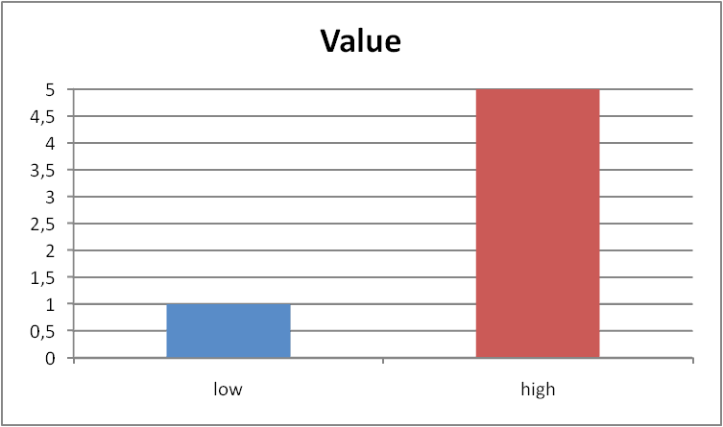
rotation (x)= | 0°
elevation (y)= | 0°

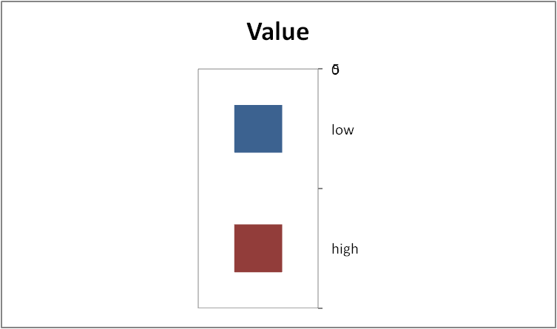
rotation (x)= | 90°
elevation (y)= | 90°

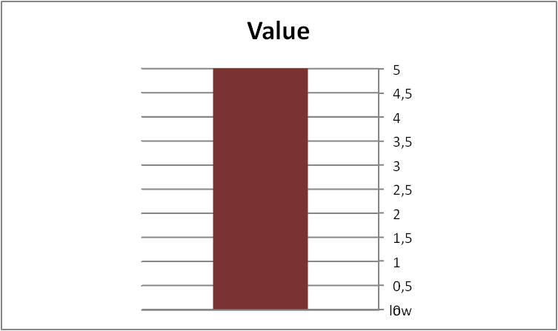
rotation (x)= | 90°
elevation (y)= | 0°

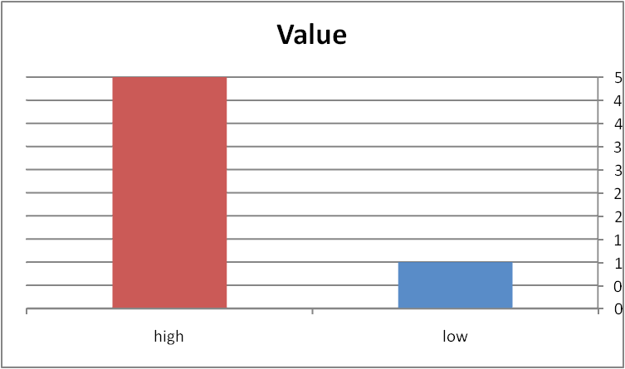
rotation (x)= | 180°
elevation (y)= | 0°

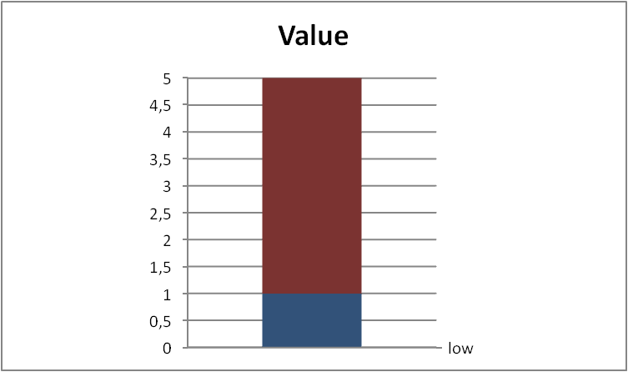
rotation (x)= | 270°
elevation (y)= | 0°

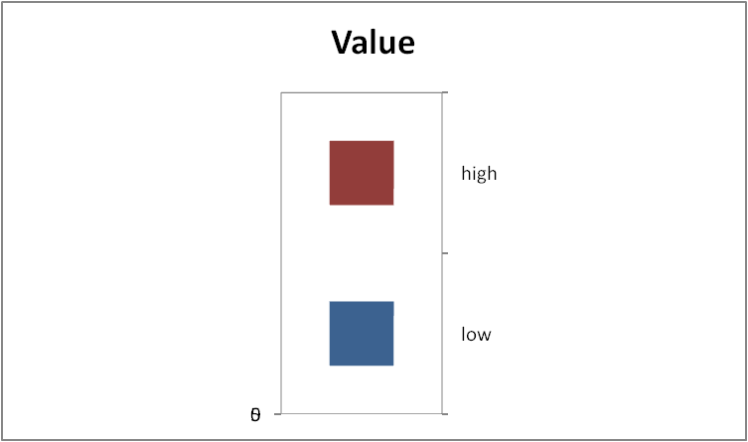
rotation (x)= | 270°
elevation (y)= | 90°

