TarjetaMapa
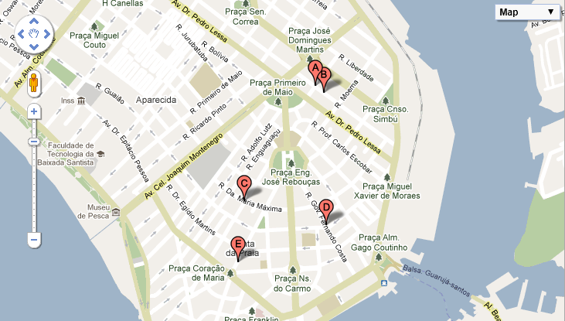
CPG04S |  | Campo Grande 04 |  |  | Santos
Fecha: ____/____ - ____/____-____/____ - ____/____ - ____/____ - ____/____ - ____/____ - ____/____ - ____/____ - ____/____ - ____/____
X | NOMBRE | DIRECCIÓN | NAC. | OSERVACIONES | BARRIO
A | F497 | G497 | I497 | J497 | H497
B | F498 | G498 | I498 | J498 | H498
C | F499 | G499 | I499 | J499 | H499
D | F500 | G500 | I500 | J500 | H500
E | F501 | G501 | I501 | J501 | H501
F | F502 | G502 | I502 | J502 | H502
G | F503 | G503 | I503 | J503 | H503
H | #N/A | #N/A | #N/A | #N/A | #N/A
I | #N/A | #N/A | #N/A | #N/A | #N/A
J | #N/A | #N/A | #N/A | #N/A | #N/A

 | Fecha impresión: | 2012-09-05

